Sheet1
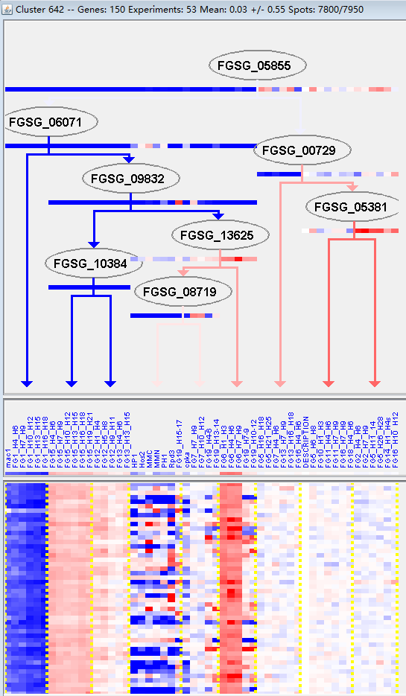
k | Filter | FUNCTIONAL CATEGORY | abs SET | rel SET | genes SET | abs GENOME | rel GENOME | rel SET/rel GENOME | P-VALUE | Bonferroni_corr | FDR
01.05.03.01 glycogen metabolism | 1 | 0.89 | FGSG_07404 | 4 | 0.02 | 44.5 | 0.032014546666
16.06 motor protein binding | 2 | 1.78 | FGSG_01690 FGSG_13118 | 26 | 0.18 | 9.8888888889 | 0.018621685297
18.02.10 regulation of channel activity | 1 | 0.89 | FGSG_07404 | 2 | 0.01 | 89 | 0.01613631994
47 ORGAN DIFFERENTIATION | 1 | 0.89 | FGSG_00595 | 2 | 0.01 | 89 | 0.01613631994
47.01 fungal organ | 1 | 0.89 | FGSG_00595 | 2 | 0.01 | 89 | 0.01613631994
47.01.01 hyphe | 1 | 0.89 | FGSG_00595 | 2 | 0.01 | 89 | 0.01613631994
99 UNCLASSIFIED PROTEINS | 73 | 65.1 | FGSG_11649 FGSG_11651 FGSG_00029 FGSG_00043 FGSG_00052 FGSG_11690 FGSG_11768 FGSG_11813 FGSG_11864 FGSG_11896 FGSG_01400 FGSG_01401 FGSG_01492 FGSG_11984 FGSG_11985 FGSG_11999 FGSG_01756 FGSG_02053 FGSG_02135 FGSG_11512 FGSG_11580 FGSG_11635 FGSG_12214 FGSG_12216 FGSG_04552 FGSG_12254 FGSG_04330 FGSG_03815 FGSG_03500 FGSG_12477 FGSG_12478 FGSG_03167 FGSG_02911 FGSG_02808 FGSG_12684 FGSG_05474 FGSG_05572 FGSG_12799 FGSG_12805 FGSG_06412 FGSG_06491 FGSG_06899 FGSG_13036 FGSG_13212 FGSG_13220 FGSG_07893 FGSG_11592 FGSG_08891 FGSG_13283 FGSG_13284 FGSG_08787 FGSG_13333 FGSG_08536 FGSG_08250 FGSG_08035 FGSG_09135 FGSG_09618 FGSG_09622 FGSG_09959 FGSG_10405 FGSG_13751 FGSG_13761 FGSG_13762 FGSG_10694 FGSG_11136 FGSG_11070 FGSG_11059 FGSG_11047 FGSG_10959 FGSG_11400 FGSG_11335 FGSG_11329 FGSG_11325 | 7238 | 52.3 | 1.2447418738 | 0.0039646210849

01.05.03.01糖原代谢
16.06马达蛋白绑定
18.02.10通道活性的调节
47个器官分化
47.01真菌器官
47.01.01菌丝
99未分类的蛋白质

